MAIAD Lab 01
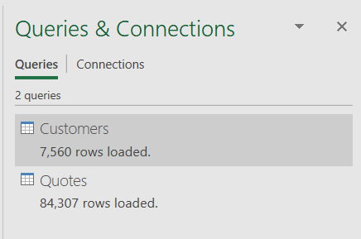
MAIAD - Lab 01 - Using Power Query In Excel

